Sheet1
Test case Name | Test case Description | Steps | Expected Result | Actual Result | Evidence -1 | Evidence -2
The search bar | Checking for the search bar | 1)Open the website base url link | A search bar should be present on the upper part of the storefront | A search bar is present on the upper part of the storefront | 

The search suggestions | Testing the search bar for search suggestions | 1)Open the website base url link. | On typing something on the search bar, a dropdown menu should appear providing suggestions | On typing something on the search bar, a dropdown menu appears providing suggestions | 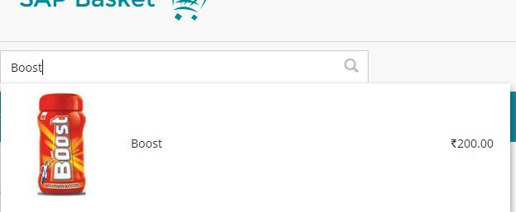
 |  | 2)Type something on the search bar

The search results | Testing the search bar to give results | 1)Open the website base url link. | On typing something on the search bar and pressing the "Enter" key or clicking the "search icon", the search results page should come up | On typing something on the search bar and pressing the "Enter" key or clicking the "search icon", the search results page comes up | 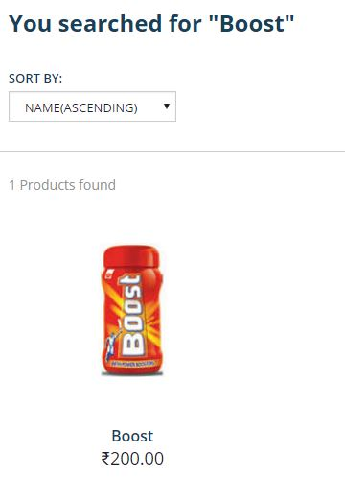
 |  | 2)Type something on the search bar
 |  | 3)Press "Enter" key or click on "search icon"

The search results to PDP | Testing the search result products | 1)Open hmc on localhost | In the search result page, the PDP page should come up on clicking a product in the search result page | In the search result page, the PDP page comes up on clicking a product in the search result page | 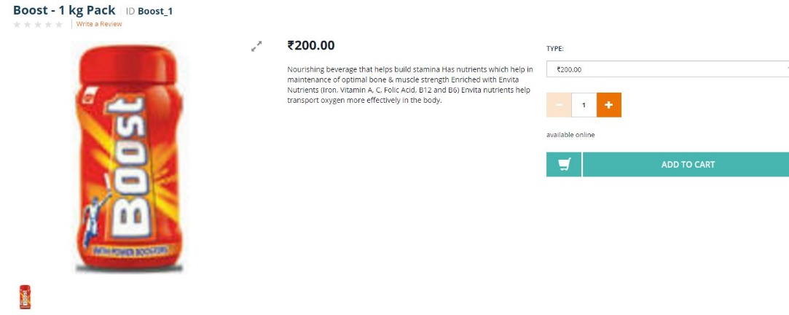
 |  | 2)Type something on the search bar
 |  | 3)Press "Enter" or click on "search icon"
 |  | 4)Click on one of the products from the search results

